READ ME
 |  | Language | English

Solar Powered Cold & Freezing Rooms with Monoblocs Design Toolbox

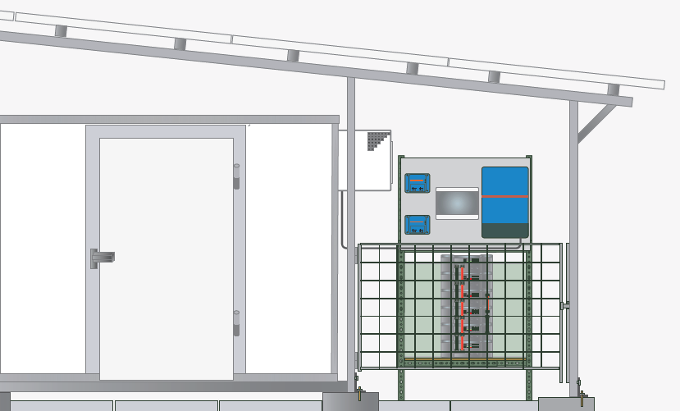

 | Introduction
 | This tool calculates the required solar system for a cold/freezing room run by monoblocs. Exemplary data is filled and can be modified by own data

 | Tips & Tricks
 | Enter values into coloured cells only! None entry cells are protected.

 | Overview of the following sheets
 | 1. Geographic Data |  |  | For selecting basic site information: ambient temperature and solar radiation

 | 2. Input |  |  | For adding data about the product to be cooled under given conditions

 | 3.Technical Design Output |  |  | System configuration based on your inputs

 | 4. Cost |  |  | An estimated cost of the system

 | 5.Weather Data |  |  | For adding weather data of your own location if not already there

 | This tool was created by Solar Cooling Engineering
 | In cooperation with

 | © Solar Cooling Engineering GmbH, Germany - 2024
 | www.solar-cooling-engineering.com

1 Geographic Data

 |  |  | 1. Geographic Data

Choose location:
Kenya (Kisumu)
 | January | February | March | April | May | June | July | August | September | October | November | December
Mean daily temperature [°C]: | 25.0 | 26.0 | 26.0 | 26.0 | 25.0 | 23.0 | 22.0 | 23.0 | 24.0 | 25.0 | 25.0 | 25.0
Solar irradiation [kWh/m² day]: | 6.8 | 7.1 | 6.7 | 6.2 | 5.7 | 5.6 | 5.6 | 6.4 | 6.1 | 6.5 | 6.3 | 6.7

Use to obtain indicative monthly irradiation and temperature data for the site: |  |  |  | https://re.jrc.ec.europa.eu/pvg_tools/en/

Locations can be added on the sheet "Weather Data"

2 Input
Product information


Total mass to be cooled | Mass = | 500 | kg/day
Moisture content of the product | MC = | 86 | % wet based
 |  |  |  | Temperature information

 |  |  |  | Initial temperature of the product | Ti = | 25 | °C
 |  |  |  | Cold/Freezing Room Set Point | Tm = | 4 | °C

 |  |  |  | Refrigeration Unit |  | Watts
 |  |  |  | Rated Electrical Power |  | 1000

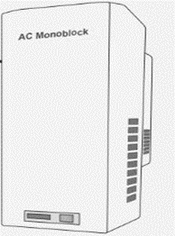
Cold Room |  | m3
 |  | 31.74 | m3
Inner length of the cold room (m) | x = | 2.3 | m
Inner width of the cold room (m) | y = | 6 | m
Inner height of the cold room (m) | z = | 2.3 | m
Thermal Conductivity of Insulation W m−1 K−1 | k / l = | 0.04 | W/m K
Thickness of Insulation (m) | L = | 0.1 | m

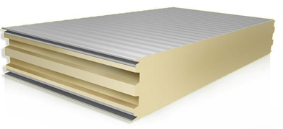

 |  |  |  | Solar System

 |  |  |  | System losses |  | 25 | %
 |  |  |  | Autonomy days |  | 1 | Days

3 Technical Design Output
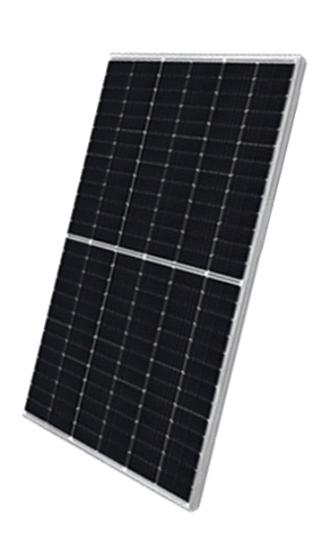
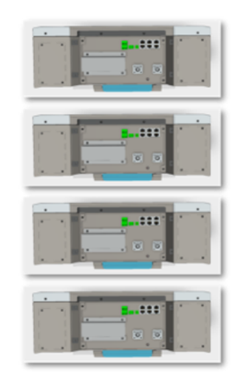
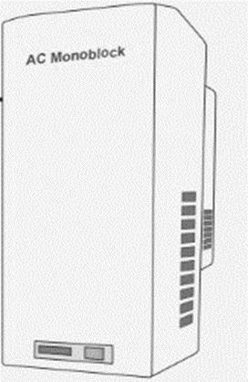

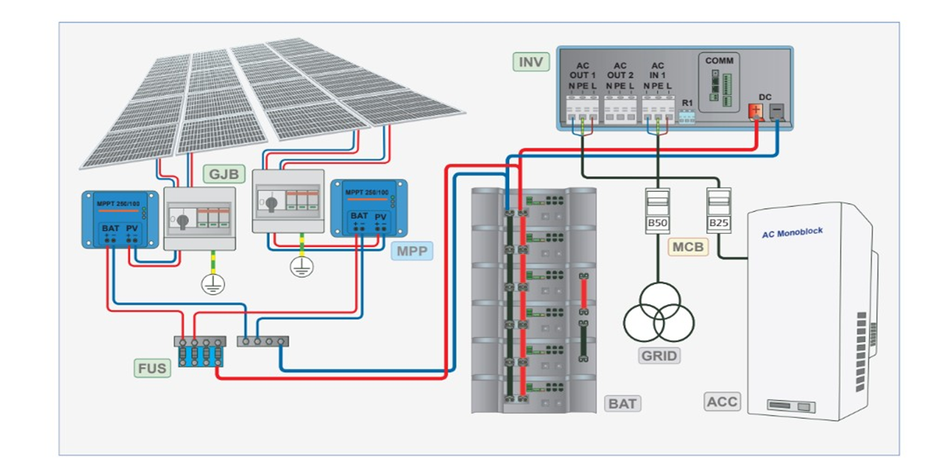

Technical Design Output

Total Cooling Demand |  | 33.32 | kWh/day
Calculated COP |  | 1.91 | -
Cooling Power |  | 1.60 | kW
Avg Electrical Power Demand |  | 0.84 | kW
Electricity Consumption |  | 20.08 | kWh/day
Charging Current at 48Vdc |  | 183 | Amps

Solar PV Array |  |  | Refrigeration Units |  | Useful Battery Capacity |  | Hybrid Inverter
9.1 | kWp |  | 1 | Unit(s) | 30.1 | kWh | 3.5 | kVA

